Data Visulization
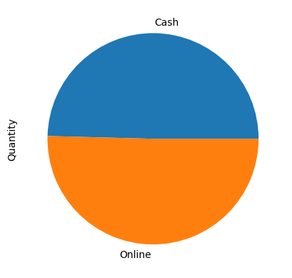
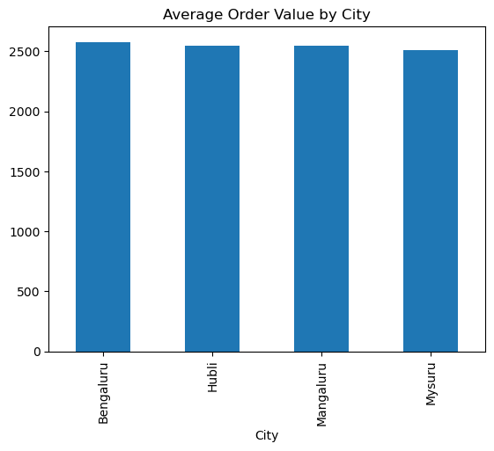
Chart Name | On the Basis of | Code
Line Chart of Date v Sales | M
Pie Chart : Based on City , Mode | Mode
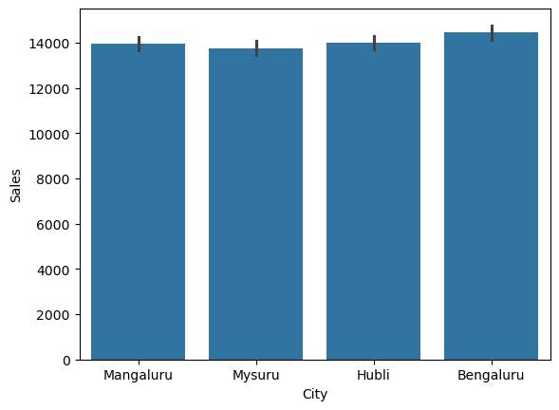
Bar plot : Based on City , Mode | City
Bar Plot : AOV by City | -
Bar Plot : AOV by Mode | -

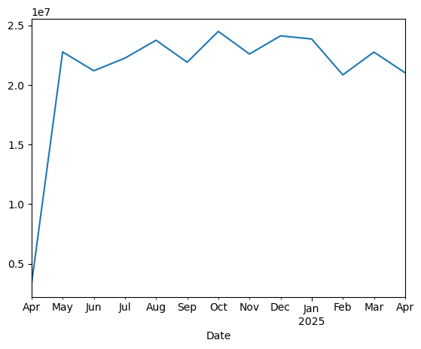

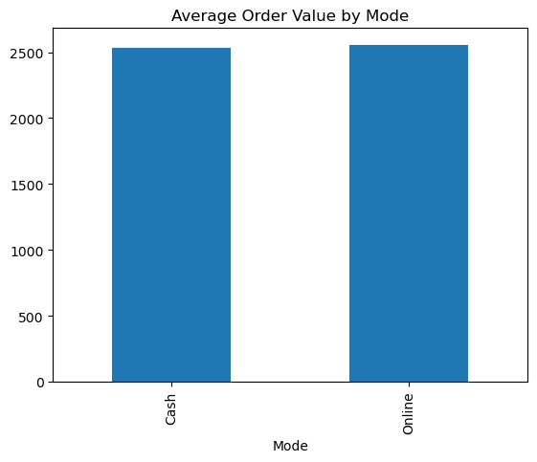

City
Mode

M
D
W

